wordcounts
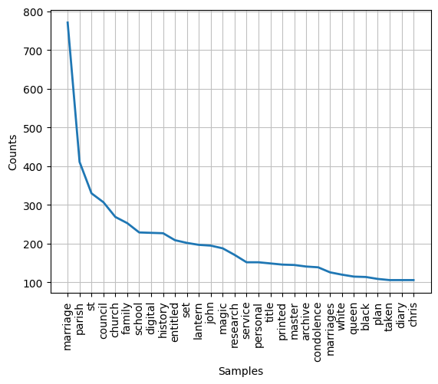

Lantern | refs to large item listed collection of Lantern Slides/Magic Lanterns from the National Science and Media Museum. These are mostly 'life model' slides meaning during the manufacturing process they used real people photographed in a succession of poses to create a play
Set and Entitled | refs to description of Lantern Slides - usually described with similar wording
Title | refs to title deeds
Master | refs to Betacam or other master tapes - again significant item listed collection from the National Railway Museum
Queen | refs to condolence books for Queen Elizabeth II

